water_quality_pred_result
 |  |  |  |  |  |  |  |  | Accuracy | 0.52830188679
ph | Hardness | Solids | Chloramines | Sulfate | Conductivity | Organic_carbon | Trihalomethanes | Turbidity | Potability | Predicted | Match
3.43485576 | 185.3429615 | 22690.2444 | 8.150954368 | 309.2176507 | 398.3701305 | 10.03495025 | 55.94732217 | 5.389510246 | 0 | 0 | 1
5.800034177 | 181.453515 | 13028.68846 | 6.106764784 | 374.3577839 | 405.51722 | 15.77382535 | 35.33813349 | 4.074407572 | 1 | 0 | 0
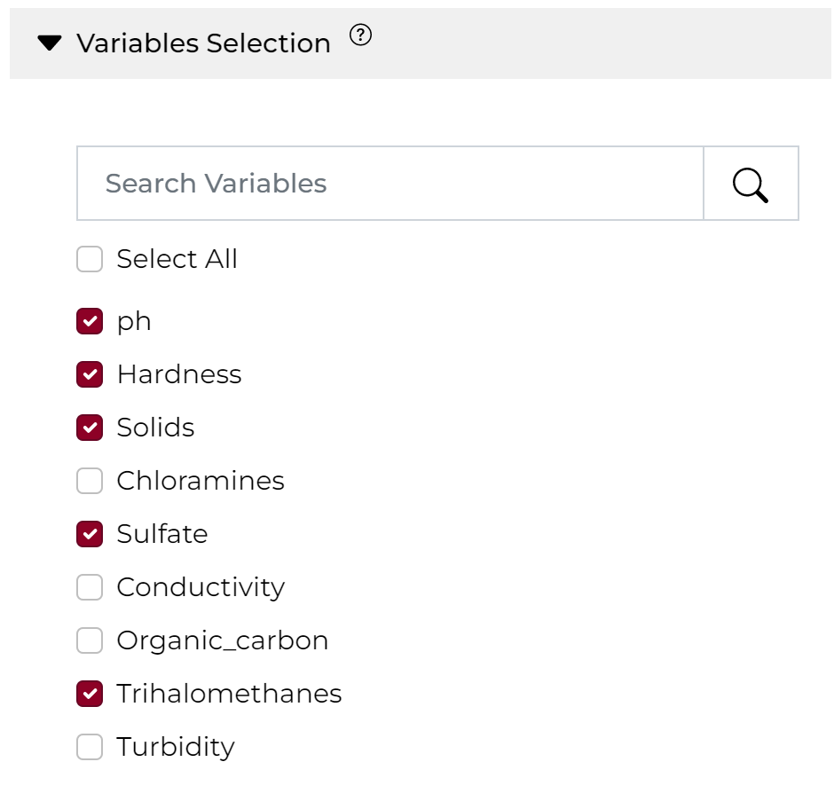
6.898315041 | 228.8028036 | 45939.68916 | 9.56402666 | 377.8135054 | 392.3823257 | 13.87299426 | 66.98358863 | 3.822307139 | 0 | 0 | 1
6.941278904 | 180.817722 | 15433.13484 | 7.140121953 | 325.5158572 | 480.8785436 | 20.30233655 | 61.52068662 | 4.178959772 | 1 | 0 | 0
5.967274228 | 187.085084 | 30846.58547 | 7.281105533 | 339.0637148 | 323.962695 | 12.65185398 | 72.27359045 | 3.914543611 | 0 | 0 | 1
7.079303518 | 137.0073552 | 24282.15477 | 5.705692803 | 433.6338999 | 342.7253184 | 9.113945216 | 88.32860483 | 5.553173841 | 0 | 0 | 1
7.958984292 | 171.4836247 | 23625.81389 | 9.537735147 | 259.9799662 | 327.623881 | 16.11711046 | 107.7540426 | 4.698007916 | 1 | 0 | 0
8.015780395 | 180.0603771 | 12135.72493 | 6.259376144 | 310.068681 | 666.6906183 | 17.6601492 | 66.58884906 | 3.180580187 | 0 | 0 | 1
7.39754401 | 184.8409249 | 19797.10854 | 8.422000035 | 387.1903037 | 428.4147839 | 13.1434438 | 62.33797615 | 3.947137888 | 0 | 0 | 1
7.288112707 | 216.6124749 | 18979.98169 | 7.668510398 | 358.9786197 | 384.6949552 | 14.16360693 | 53.31304555 | 3.62698996 | 1 | 0 | 0
6.427720561 | 166.8502368 | 12215.40908 | 7.696751399 | 376.2826172 | 352.7453698 | 20.13048259 | 66.73504403 | 2.9044534 | 1 | 0 | 0
10.26841472 | 225.0742181 | 14694.42062 | 6.722842909 | 300.7637719 | 353.6309129 | 13.55379641 | 64.01294427 | 5.199864588 | 1 | 0 | 0
7.161714893 | 238.3335841 | 13680.76414 | 9.274119529 | 284.407842 | 478.7669705 | 16.83629125 | 74.38357982 | 3.909973568 | 0 | 0 | 1
8.029181613 | 158.0403984 | 19663.46943 | 8.433448388 | 283.2704951 | 431.3047161 | 20.69619806 | 59.97292857 | 4.388551012 | 1 | 0 | 0
7.710137891 | 174.3505766 | 31017.23942 | 8.212234308 | 269.8597989 | 437.5140661 | 9.320040153 | 51.54533466 | 3.898670803 | 0 | 0 | 1
8.076126298 | 132.6703047 | 10816.27337 | 9.513269116 | 314.9704947 | 479.7589235 | 14.685851 | 72.63830295 | 4.291355258 | 1 | 0 | 0
6.848329601 | 195.4514824 | 15908.64209 | 6.241348598 | 319.2647222 | 404.2048592 | 18.93733758 | 75.3927951 | 3.732202018 | 1 | 0 | 0
6.105140135 | 249.141391 | 45249.44903 | 7.369360303 | 338.7713073 | 314.9650897 | 11.25177781 | 88.65747732 | 3.103089844 | 1 | 0 | 0
6.115180039 | 226.0844294 | 24699.5239 | 6.707523246 | 298.3293394 | 429.7066808 | 14.53607988 | 71.04548037 | 3.69086186 | 0 | 0 | 1
7.795957801 | 239.2782545 | 27849.14209 | 6.47599443 | 356.1707021 | 484.1047845 | 18.69224837 | 50.12841529 | 4.25187617 | 1 | 0 | 0
8.50697907 | 197.7451412 | 20098.19952 | 6.456555757 | 344.1272534 | 555.9197962 | 9.028358906 | 78.93309631 | 3.881793835 | 0 | 0 | 1
7.46072722 | 237.5796125 | 25222.956 | 7.277442762 | 316.5623313 | 377.68222 | 5.914617068 | 62.04418318 | 3.949014618 | 0 | 0 | 1
8.384623152 | 166.8783797 | 29956.36302 | 9.778122612 | 307.3629433 | 546.4823287 | 17.37026229 | 37.83564319 | 3.682780338 | 0 | 0 | 1
7.606880475 | 183.8400997 | 29339.92927 | 5.703617134 | 259.534719 | 426.9859417 | 14.00698323 | 91.59070343 | 4.564460392 | 1 | 0 | 0
9.63066548 | 152.8624335 | 23641.70257 | 6.92570608 | 333.1483177 | 417.1670729 | 16.67018392 | 89.99757422 | 4.920091158 | 0 | 0 | 1
9.089421098 | 208.91472 | 32238.07778 | 6.895013645 | 321.0804652 | 449.2599756 | 12.51464126 | 89.21307429 | 4.430116016 | 1 | 0 | 0
5.624819996 | 215.8228726 | 9028.760345 | 9.256097772 | 274.2923054 | 340.6483926 | 10.68067274 | 72.48745023 | 4.355489162 | 1 | 0 | 0
6.044671753 | 150.6710211 | 13593.60002 | 6.456238477 | 401.737392 | 392.2067414 | 19.82739182 | 43.56429261 | 4.914883756 | 1 | 0 | 0
5.329938815 | 196.0346231 | 24000.52314 | 5.729574899 | 335.0923218 | 511.7051873 | 18.58809063 | 68.45803745 | 5.79932235 | 0 | 0 | 1
6.950786515 | 201.8054906 | 21709.64771 | 6.120771056 | 352.3037707 | 417.1844458 | 19.68349292 | 49.23680886 | 3.997975215 | 0 | 0 | 1
7.691486298 | 155.1853193 | 36578.22375 | 7.69072772 | 405.169386 | 536.8895891 | 16.21496565 | 77.5820505 | 4.042497483 | 0 | 0 | 1
6.848000113 | 199.7768139 | 26296.9483 | 7.339173311 | 354.2505548 | 397.5364707 | 22.13995838 | 51.53496489 | 3.815227609 | 1 | 0 | 0
7.833495881 | 220.9574326 | 28338.98146 | 9.370848444 | 316.2744033 | 462.1424242 | 15.33300458 | 57.03352177 | 5.580829963 | 0 | 0 | 1
8.27579563 | 163.3559608 | 22013.96491 | 5.742828935 | 307.6671229 | 351.631315 | 20.05761944 | 78.50149245 | 4.72133955 | 1 | 0 | 0
4.872560878 | 224.7051051 | 16960.43463 | 7.078014889 | 323.0368521 | 354.3906043 | 15.69217561 | 79.96280267 | 3.918005799 | 1 | 0 | 0
8.719764332 | 219.7788985 | 30681.12026 | 7.268765089 | 340.9184904 | 481.8534152 | 9.151209133 | 50.17859554 | 2.887725422 | 0 | 0 | 1
6.110545161 | 166.6373052 | 21319.7944 | 7.68124459 | 311.2535646 | 340.6306415 | 13.62381347 | 95.49467973 | 6.06455925 | 0 | 0 | 1
6.227826795 | 169.9262216 | 22550.49226 | 4.973592706 | 297.4044974 | 460.4153864 | 20.78959171 | 93.3007329 | 4.007347485 | 1 | 0 | 0
5.093675135 | 251.3137795 | 30245.95697 | 6.718829673 | 267.0260928 | 271.6307383 | 14.88242819 | 70.7784081 | 4.552571442 | 0 | 0 | 1
8.028304242 | 204.7837347 | 20408.4856 | 4.531581224 | 406.3289207 | 515.5750971 | 21.55886261 | 70.54721764 | 3.91599081 | 0 | 0 | 1
8.490571562 | 204.1236484 | 22989.79639 | 8.270792937 | 358.847115 | 435.0008983 | 17.08424565 | 62.42163706 | 3.875556805 | 0 | 0 | 1
3.978284627 | 160.8184744 | 14433.7805 | 8.410892223 | 311.2953289 | 414.3282148 | 20.77148503 | 78.27324004 | 3.751565769 | 0 | 0 | 1
8.205550719 | 204.6658287 | 17414.52062 | 6.839622493 | 276.7700977 | 346.5407289 | 12.50560143 | 83.91674916 | 5.12952782 | 1 | 0 | 0
8.447404488 | 163.9499045 | 19583.05735 | 6.433183888 | 334.6558859 | 547.0238303 | 18.23871124 | 45.66831799 | 5.21830711 | 1 | 0 | 0
5.319769073 | 204.202072 | 22390.79557 | 8.053558881 | 315.0275045 | 399.1190254 | 13.97408473 | 83.1579971 | 2.92573204 | 0 | 0 | 1
5.226941884 | 177.3196034 | 28398.5542 | 6.294517393 | 336.2929185 | 328.3874298 | 18.46309476 | 62.07590199 | 2.259550289 | 0 | 0 | 1
9.850054687 | 208.740232 | 35289.23711 | 8.350110052 | 337.2097419 | 462.4801989 | 10.10514594 | 50.88600603 | 4.521836127 | 1 | 0 | 0
7.822257363 | 200.0027932 | 22411.00686 | 5.283593552 | 343.0803772 | 593.4836023 | 12.27307332 | 75.25621195 | 3.080865919 | 0 | 0 | 1
7.392084038 | 173.5287784 | 20185.67623 | 9.120931425 | 384.1172466 | 310.0748512 | 23.31769912 | 81.1295428 | 3.778458496 | 0 | 0 | 1
6.957802749 | 219.2399523 | 20215.63285 | 7.054093205 | 306.6473845 | 431.3706622 | 17.42714462 | 56.43564639 | 4.587745469 | 0 | 0 | 1
7.798453676 | 188.3949423 | 32704.56929 | 11.07887248 | 258.1911841 | 507.1786883 | 18.27243924 | 85.17766213 | 4.107267203 | 1 | 0 | 0
7.256015039 | 196.6498226 | 44184.23046 | 5.265557586 | 260.4256046 | 324.2501476 | 8.148929055 | 69.37504408 | 4.534960273 | 1 | 0 | 0
5.713322921 | 196.2457057 | 11356.58048 | 8.027819438 | 347.5875833 | 300.1251254 | 18.43008395 | 44.86035148 | 4.571127866 | 1 | 0 | 0

